Dogs
Dogs
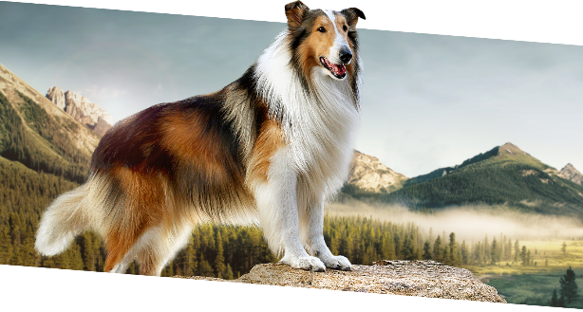


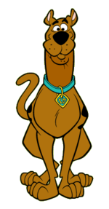
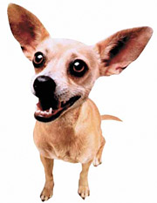
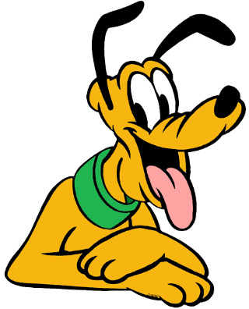
Name | Breed | Age
Scooby | Great Dane | 7
Lassie | Collie | 18
Gidget | Chihuahua | 5
Pluto | Bloodhound | 6
Snoopy | Beagle | 11

